Cow Calendar
Cow Calendar

Calving (Freshening) Date | 2022-01-01

Gestation Period (Days) | 284 | days
Expected Lactation Period | 305 | days
Voluntary Waiting Period | 60 | days

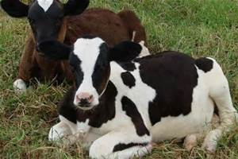
Estrus Cycle | 21 | days
Expected Number of Services | 2 | services
Expected Dry Period | 60 | days

Earliest Breeding Date | 2022-03-02
Expected Successful Breeding Date | 2022-03-23

Probable Dry-Off Date | 2022-11-02

Estimated Calving Date | 2023-01-01

For educational purposes only. The numbers in this budget are NOT representative of any specific enterprise.

